Table 1
This file presents the data from the tables and figures in CBO's May 2021 report Projected Costs of U.S. Nuclear Forces, 2021 to 2030.
www.cbo.gov/publication/57130

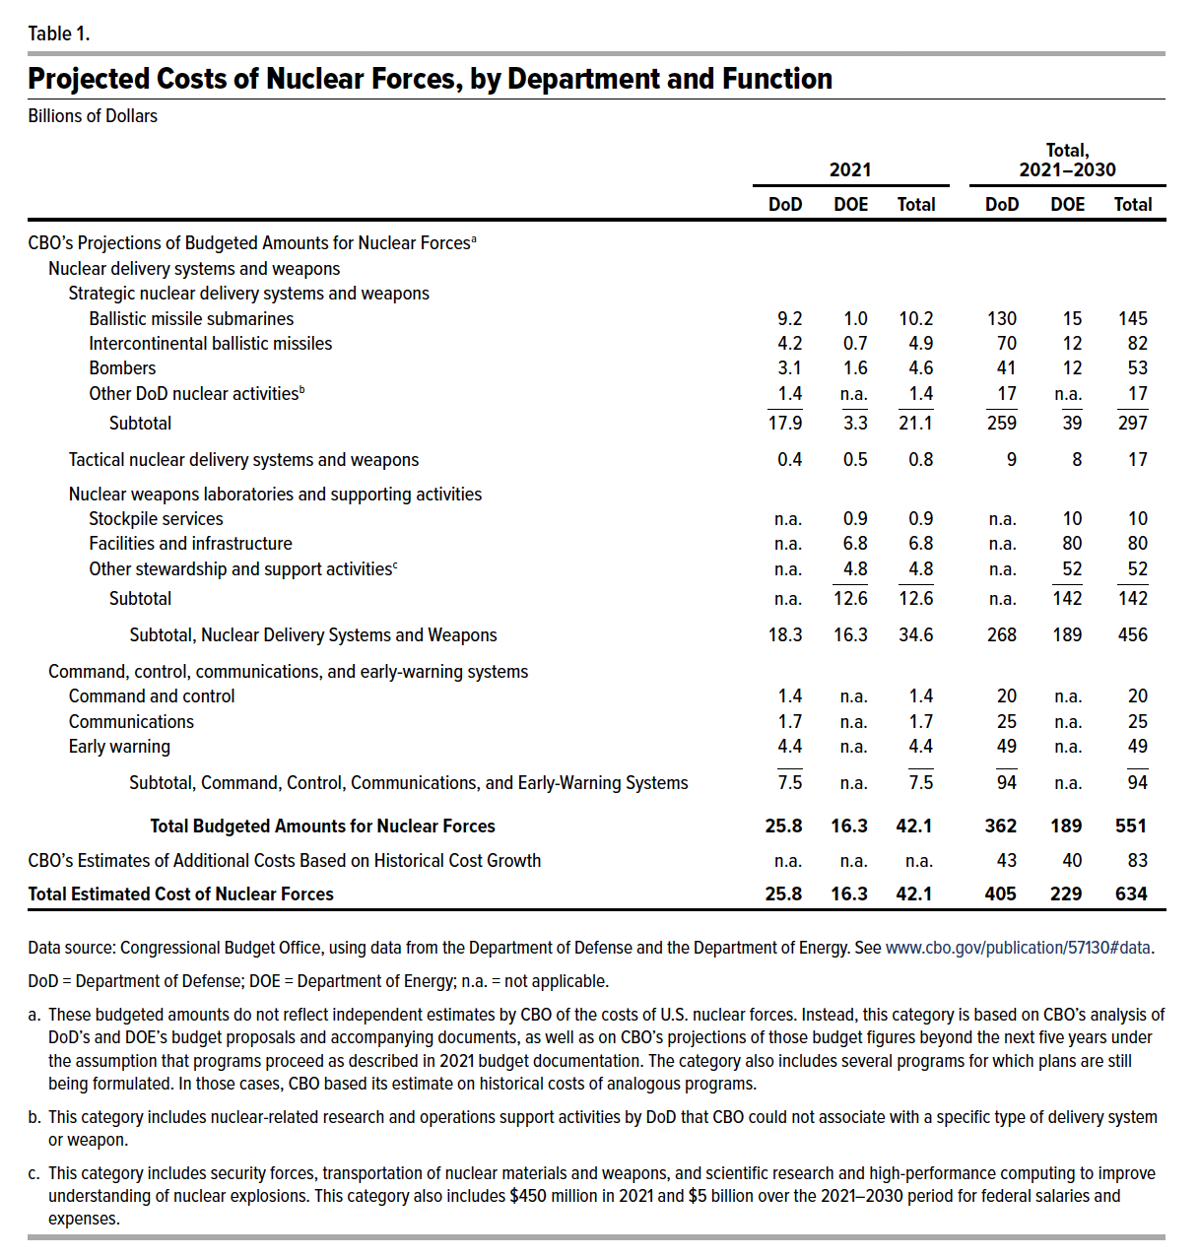
Table 1. Projected Costs of U.S. Nuclear Forces, by Department and Function
Billions of Dollars
 | 2021 |  |  | Total, 2021–2030
 | DoD | DOE | Total | DoD | DOE | Total
CBO's Projections of Budgeted Amounts for Nuclear Forces
Nuclear delivery systems and weapons
Strategic nuclear delivery systems and weapons
Ballistic missile submarines | 9.2 | 1.0 | 10.2 | 130 | 15 | 145
Intercontinental ballistic missiles | 4.2 | 0.7 | 4.9 | 70 | 12 | 82
Bombers | 3.1 | 1.6 | 4.6 | 41 | 12 | 53
Other nuclear activities | 1.4 | n.a. | 1.4 | 17 | n.a. | 17
Subtotal | 17.9 | 3.3 | 21.1 | 259 | 39 | 297
Tactical nuclear delivery systems and weapons | 0.4 | 0.5 | 0.8 | 9 | 8 | 17
Nuclear weapons laboratories and supporting activities
Stockpile services | n.a. | 0.9 | 0.9 | n.a. | 10 | 10
Facilities and infrastructure | n.a. | 6.8 | 6.8 | n.a. | 80 | 80
Other stewardship and support activities | n.a. | 4.8 | 4.8 | n.a. | 52 | 52
Subtotal | n.a. | 12.6 | 12.6 | n.a. | 142 | 142
Subtotal, Nuclear Delivery Systems and Weapons | 18.3 | 16.3 | 34.6 | 268 | 189 | 456
Command, control, communications, and early-warning systems
Command and control | 1.4 | n.a. | 1.4 | 20 | n.a. | 20
Communications | 1.7 | n.a. | 1.7 | 25 | n.a. | 25
Early warning | 4.4 | n.a. | 4.4 | 49 | n.a. | 49
Subtotal | 7.5 | n.a. | 7.5 | 94 | n.a. | 94
Total Budgeted Amounts for Nuclear Forces | 25.8 | 16.3 | 42.1 | 362 | 189 | 551
CBO's Estimates of Additional Costs Based on Historical Cost Growth | n.a. | n.a. | n.a. | 43 | 40 | 83
Total Estimated Cost of Nuclear Forces | 25.8 | 16.3 | 42.1 | 405 | 229 | 634

Back to Table of Contents

Table 2
This file presents the data from the tables in CBO's May 2021 report Projected Costs of U.S. Nuclear Forces, 2021 to 2030.
www.cbo.gov/publication/57130

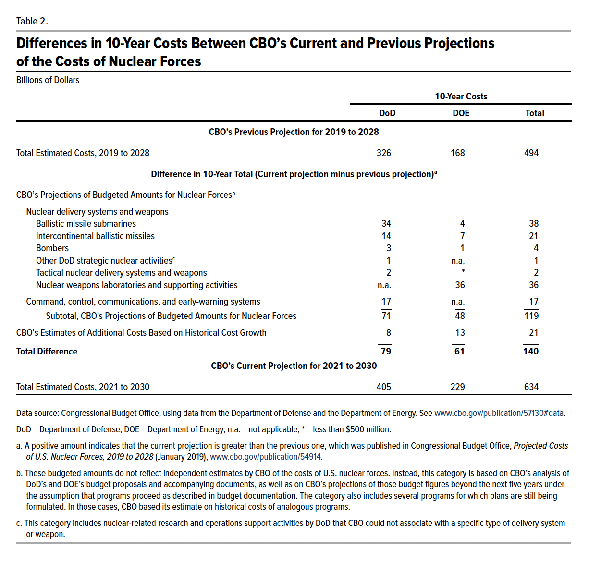
Table 2. Differences in 10-Year Costs Between CBO's Current and Previous Projections of the Costs of Nuclear Forces
Billions of Dollars
 | 10-Year Costs
 | DoD | DOE | Total
CBO's Previous Projection for 2019 to 2028
Total Estimated Costs, 2019 to 2028 | 2326 | 168 | 494
Difference in 10-Year Total (Current projection minus previous projection)
CBO's Projections of Budgeted Amounts for Nuclear Forces
Nuclear delivery systems and weapons
Ballistic missile submarines | 34 | 4 | 38
Intercontinental ballistic missiles | 14 | 7 | 21
Bombers | 3 | 1 | 4
Other DoD nuclear activities | 1 | n.a. | 1
Tactical nuclear delivery systems and weapons | 2 | * | 2
Nuclear weapons laboratories and supporting activities | n.a. | 36 | 36
Command, control, communications, and early-warning systems | 17 | n.a. | 17
Subtotal, CBO's Projections of Budgeted Amounts for Nuclear Forces | 71 | 48 | 119
CBO's Estimates of Additional Costs Based on Historical Cost Growth | 8 | 13 | 21
Total Difference | 79 | 61 | 140
CBO's Current Projection for 2021 to 2030
Total Estimated Costs, 2021 to 2030 | 405 | 229 | 634

Back to Table of Contents

Box 1 Table
This file presents the data from the tables in CBO's May 2021 report Projected Costs of U.S. Nuclear Forces, 2021 to 2030.
www.cbo.gov/publication/57130

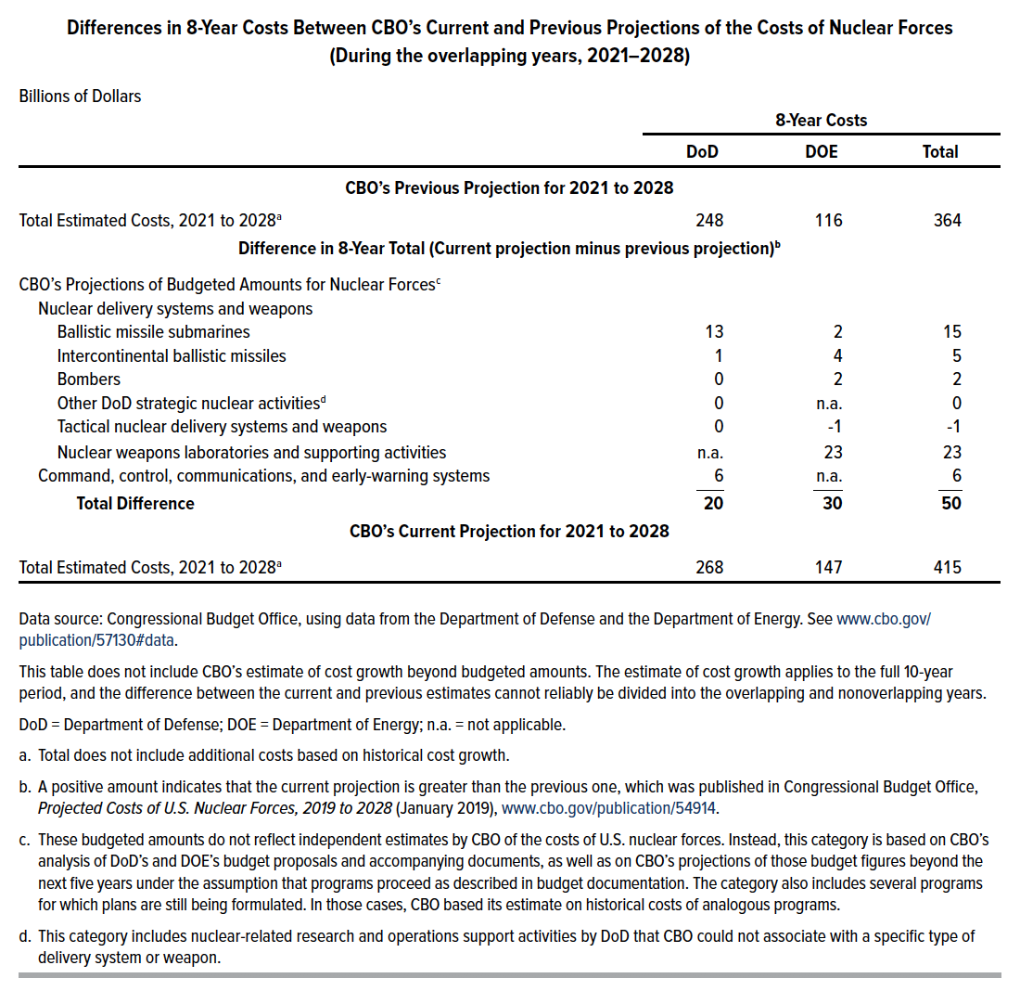
Box 1 Table Differences in 8-Year Costs Between CBO's Current and Previous Projections of the Costs of Nuclear Forces (During the overlapping years, 2021–2028)
Billions of Dollars
 | 8-year Costs
 | DoD | DOE | Total
CBO's Previous Projection for 2021 to 2028
Total Estimated Costs, 2021 to 2028 | 248 | 116 | 364
Difference in 8-Year Total (Current projection minus previous projection)
CBO's Projections of Budgeted Amounts for Nuclear Forces
Nuclear delivery systems and weapons
Ballistic missile submarines | 13 | 2 | 15
Intercontinental ballistic missiles | 1 | 4 | 5
Bombers | 0 | 2 | 2
Other DoD nuclear activities | 0 | n.a. | 0
Tactical nuclear delivery systems and weapons | 0 | -1 | -1
Nuclear weapons laboratories and supporting activities | n.a. | 23 | 23
Command, control, communications, and early-warning systems | 6 | n.a. | 6
Total Difference | 20 | 30 | 50
CBO's Current Projection for 2021 to 2028
Total Estimated Costs, 2021 to 2028 | 268 | 147 | 415

Back to Table of Contents

